Test case table -4
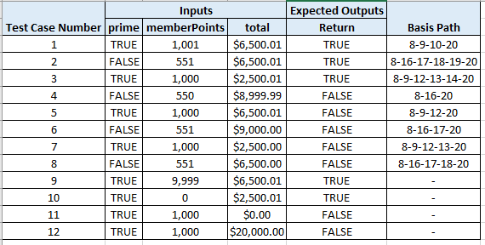
Test Case Number | Inputs |  |  | Exp Out | Basis Path | comments
 | autoclave | temperature (degree F) | pressure (psi) | return
1 | TRUE | 212.1 | 4,999.9 | FullySterilized | 10-11-12-13-14-22 | at line 11 TTT
2 | FALSE | 212.1 | 4,999.9 | SomeSterilized | 10-21-22 | at line 10 F
3 | TRUE | 100.1 | 3,499.9 | PartialSterilized | 10-11-16-17-18-19-22 | at line 16 TTT
4 | TRUE | 212.1 | 3,499.9 | NoSterilization | 10-11-12-22 | at line 11 TF
5 | TRUE | 100.0 | 3,499.9 | NoSterilization | 10-11-16-22 | at line 16 FTT(MCDC)
6 | TRUE | 212.1 | 5,000.0 | NoSterilization | 10-11-12-13-22 | at line 11 TTF
7 | TRUE | 100.1 | 1,900.0 | NoSterilization | 10-11-16-17-22 | at line 16 TFT
8 | TRUE | 100.1 | 3,500.0 | NoSterilization | 10-11-16-17-18-22 | at line 16 TTF
9 | TRUE | 212.0 | 4,999.9 | NoSterilization | -
10 | TRUE | 212.1 | 3,500.0 | FullySterilized | -
11 | FALSE | 100.1 | 1,900.1 | PartialSterilized | -
12 | TRUE | 212.0 | 10,000.0 | NoSterilization | extreme range pressure
13 | TRUE | 212.0 | 0.0 | NoSterilization | extreme range pressure
14 | TRUE | 500.0 | 5,000.0 | NoSterilization | extreme range temperature
15 | TRUE | 0.0 | 5,000.0 | NoSterilization | extreme range temperature

 | - indicates a don't care where ANY value can be used
Test cases 9-15 can be in any order

